4. Wrangling steps (2)
 |  |  |  | Title page
Wrangling steps

Columns dropped | Columns renamed | Columns' type changed | Comment/Reason
eval_set column dropped from orders |  |  | Not necessary for analysis
 | order_dow renamed to order_day_of_week in orders |  | Renamed to make more clear that this is the day of the week
 |  | order_id from orders changed from int to string | This is an identifier, should be a string not an integer
 |  | transposed departments from horizontal dataset to vertical | Needs to be transposed so that each department id is associated with the correct department name
 |  | product_name in products changed from int to string type | This is an identifier, should be a string not an integer
unnamed column dropped from products |  |  | Not necessary for analysis
_merge column dropped from orders_products_combined |  |  | Not necessary for analysis
 | First Name renamed to first_name in customers |  | To keep column titles consistent
 | Surnam renamed to last_name in customers |  | To keep column titles consistent
 | STATE renamed to state in customers |  | To keep column titles consistent
 | Gender renamed to sex in customers |  | To keep column titles consistent
 | Age renamed to age in customers |  | To keep column titles consistent
first_name and last_name removed from customers |  |  | Remove PII data, each customer has a unique ID so names are not necessary

1. Title Page
[Project Name]

Project Name:
Date:
Analyst Name:

Contents:
Population Flow
Consistency checks
Wrangling steps
Column derivations
Visualizations
Recommendations

2. Population Flow
Title page

Population flow

Exclusion flag
Condition: max_order <
Obervations to be removed:
Final total count of order_products_all:

Orders_products_combined
Orders_products_merged
Orders_products_all

Total: 32,404,859
Total: 32,434,489
Total: 30,964,564

1.) The grey boxes in the first row of the population flow represent the original data sets as they were when you downloaded them. In the Total fields you need to add the count of the rows when you imported the data set into Jupyter.
2.) The second row of boxes (coloured) represents the data sets after you manipulated them, e.g., removed missing values and duplicates. In the Total fields you need to add the count of the rows after conducting these operations. This offers a visual oveview of how the data flows throughout the data consistency checks.
3.) The third row, where also the arrows are coloured, represents the merges you performed between the datasets. In the Total fields you need to add the count of the rows in the merged datasets, so that you end up with the final dataset (in the red box). Keep in mind the final dataset should be without exclusions (based on the exclusion flag).

3. Consistency checks
 |  |  |  | Title page
Consistency checks

Dataset | Missing values | Missing values treatment | Duplicates
orders | 206209 missing values were found in the column days_since_prior_order. Came to the conclusion that this value is from customers' very first order. | These missing values were simply ignored. | No duplicates found in this df.
products | 16 Product Names missing | Removed values from data set | 5 duplicates were found and removed
orders_products_prior | N/A | N/A | N/A
customers | 11259 in first_name column | Changed the column type to str to make the data consistent but left the missing values as they should adversely affect the analysis of the data. | No Duplicates Found

4. Wrangling steps
 |  |  |  | Title page
Wrangling steps

Columns dropped | Columns renamed | Columns' type changed | Comment/Reason
eval_set |  |  | Was not needed for our project.
date_joined |  |  | Was not needed for our project.
first_name |  |  | Violated PII restrictions.
last_name |  |  | Violated PII restrictions.
 | order_dow : order_day_of_week |  | For better clarification
 | days_since_prior_order : days_since_last_order |  | For better clarification
 | First Name : first_name |  | To adhere to naming conventions.
 | Surnam : last_name |  | To adhere to naming conventions.
 | Gender : gender |  | To adhere to naming conventions.
 | STATE : state |  | To adhere to naming conventions.
 | Age : age |  | To adhere to naming conventions.
 | n_dependants : number_of_dependants |  | For better clarity.
 | fam_status : marital_status |  | For better clarity.
 |  | user_id to str | Changed from num to str to have functions ignore them for calculations.
 |  | order_id to str | Changed from num to str to have functions ignore them for calculations.

5. Column derivations
 |  |  |  |  | Title page

Column derivations and aggregations
In this tab you should add tables below that the frequences of flags/label variables that you produced after deriving them. NB: don't do this for continuous variables, only for flags.

Dataset | New column | Column/s it was derived from | Conditions | Frequencies
orders_products_merged | price_range_loc | price | if price <= 5 return 'Low-range product' if row prices are > 5 and <= 15 return 'Mid-range product' if row prices > 15 return 'High range' | price_range frequency Mid-range product 756450 Low-range product 243550
orders_products_merged | busiest_day | order_day_of_week | if orders_day_of_week = 0 append "Busiest day" if orders_day_of_week = 4 append "Least busy" if else append "Regularly busy" | busiest_day frequency Regularly busy 22416875 Busiest day 6204182 Least busy 3783802
orders_products_merged | busiest_days | order_day_of_week | if orders_day_of_week = 0 or 1 append "Busiest days" if orders_day_of_week = 4 or 3 append "Slowest days" if else append "Regularly busy" | busiest_days frequency Regularly busy 12916111 Busiest days 11864412 Slowest days 7624336
orders_products_merged | busiest_period_of_day | order_hour_of_day | if order_hour_of_day = 10, 11, 14, 15, 13, 12, 16, or 9 append"Most orders" if order_hour_of_day = 17, 8, 18, 19, 20, 7, 21, 22 append "Average orders" if else append "Fewest orders" | busiest_period_of_day Most orders 21118071 Average orders 9997651 Fewest orders 1289137
orders_products_merge | loyalty_flag | max_order | if max_order is > 40 append 'Loyal customer' if max_order is > 10 & <=40 append 'Regular customer' if max_order is <=10 append 'New customer' | Loyalty_Flag Regular customer 15876776 Loyal customer 10284093 New customer 6243990
orders_products_merge | max_order | user_id and order_number | group orders_products_merged by user_id and calculate the max of order_number | Too many to list, but the range is from 1 to 99.
orders_products_merge | spender_type | avg_price | if avg_spending is >= 10 append 'High spender' if avg_spending is <10 append 'Low spender' | spending_flag Low spender 31770614 High spender 634245
orders_products_merge | frequency_flag | past_orders_median | if med_frequency > 20 append 'Non frequent customer' if med_frequency < 20 and > 10 append 'Regular customer' if med_frequency < 10 append 'Frequent customer' | customer frequency_flag Frequent customer 21559853 Regular customer 7208564 Non frequent customer 3636437
customers_ords_prods (Name chaged to cop_user_info) | region | state | If state is 'Maine', 'New Hampshire', 'Vermont', 'Massachusetts', 'Rhode Island', 'Connecticut', 'New York', 'Pennsylvania', 'New Jersey', append 'Northeast' If state is 'Wisconsin', 'Michigan', 'Illinois', 'Indiana', 'Ohio', 'North Dakota', 'South Dakota', 'Nebraska', 'Kansas', 'Minnesota', 'Iowa', 'Missouri' then append 'Midwest' If state is 'Delaware', 'Maryland', 'District of Columbia', 'Virginia', 'West Virginia', 'North Carolina', 'South Carolina', 'Georgia', 'Florida', 'Kentucky', 'Tennessee', 'Mississippi', 'Alabama', 'Oklahoma', 'Texas', 'Arkansas', 'Louisiana' then append 'South' If state is 'Idaho', 'Montana', 'Wyoming', 'Nevada', 'Utah', 'Colorado', 'Arizona', 'New Mexico', 'Alaska', 'Washington', 'Oregon', 'California', 'Hawaii' then append 'West' | Region West 9544090 South 9540708 Midwest 7597325 Northeast 5722736
customers_ords_prods / cop_user_info | order_act | max_order | If total orders < 5 append 'low_activity' if total orders >= 5 append 'high_activity' | order_act high_activity 30964564 low_activity 1440295
customers_ords_prods / cop_user_info | age_group | age | if age <=30 append 18-30 if age >=31 and <45 , append 31-44 if age >= 45 and <60 append 45-59' if age >=60 append 60+ yrs | age_group 60+ yrs 11067255 45-59 yrs 7647520 31-44 yrs 7090725 18-30 yrs 6599359
customers_ords_prods / cop_user_info | income_group | income | if income <55000 append 'low income' if income >= 55000 and <= 200000 append 'medium income' if income >200000 append 'high income' | income_group medium income 27406431 low income 4739985 high income 258443
dcop_merged | family_size | number_of_dependents | If number of dependents <1 append 'no children' if number of dependents >=1 and <3 append 'small family' if number of dependents >=3 append 'large family' | family_size small family 16172247 large family 8135109 no children 8097503

6. Visualizations
 | Title page
In this tab you should include all the visualtions from Exercises 4.9 and 4.10, alongside the questions from the project brief that they answer. Include any commentary on the relationship between different variables.
Visualisations

1: The sales team needs to know what the busiest days of the week and hours of the day are (i.e., the days and times with the most orders) in order to schedule ads at times when there are fewer orders.


Orders across days of week

0 = Saturday
1 = Sunday
2 = Monday
3 = Tuesday
4 = Wednesday
5 = Thursday
6 = Friday

Frequency

order_hour_of_day

Visulization 1A (Bar Chart): the data reveals that weekends are the the most active days of the week, followed by Fridays and Mondays. Tuesdays and Wednesdays are the least active. Visulization 2B (Histogram): 10am to 12pm are the busiest hours per day. from 9am to 5pm, the frequency is at 2.5 or above. the early morning hours (5am-9am) have a bigger increase in frenquency per hour than 4pm to 11pm.

2: The sales team wants to know whether there are particular times of the day when people spend the most money, as this might inform the type of products they advertise at these times.
Item Prices Bought at Different Hours
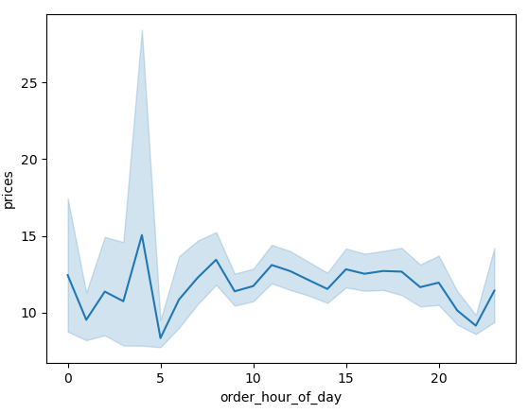
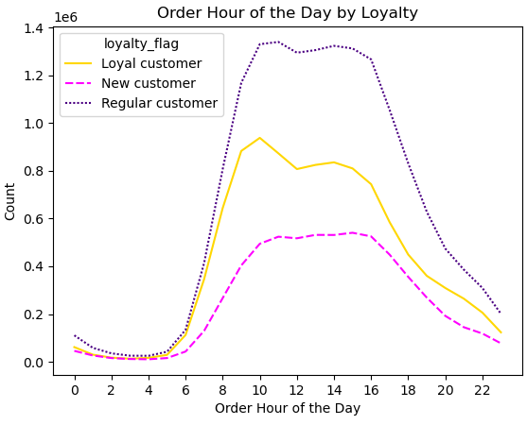

Visualization 2a (line chart): there isn't significant correlation between the price of items bought and the timing of the purchases. Visualization 2b (line chart): Looking at the trends for each type of customer, it follows the data that we have in the histogram in question 1. 9am-5pm are still the busiest hours especially for loyal and regular customers.

3: Instacart has a lot of products with different price tags. Marketing and sales want to use simpler price range groupings to help direct their efforts

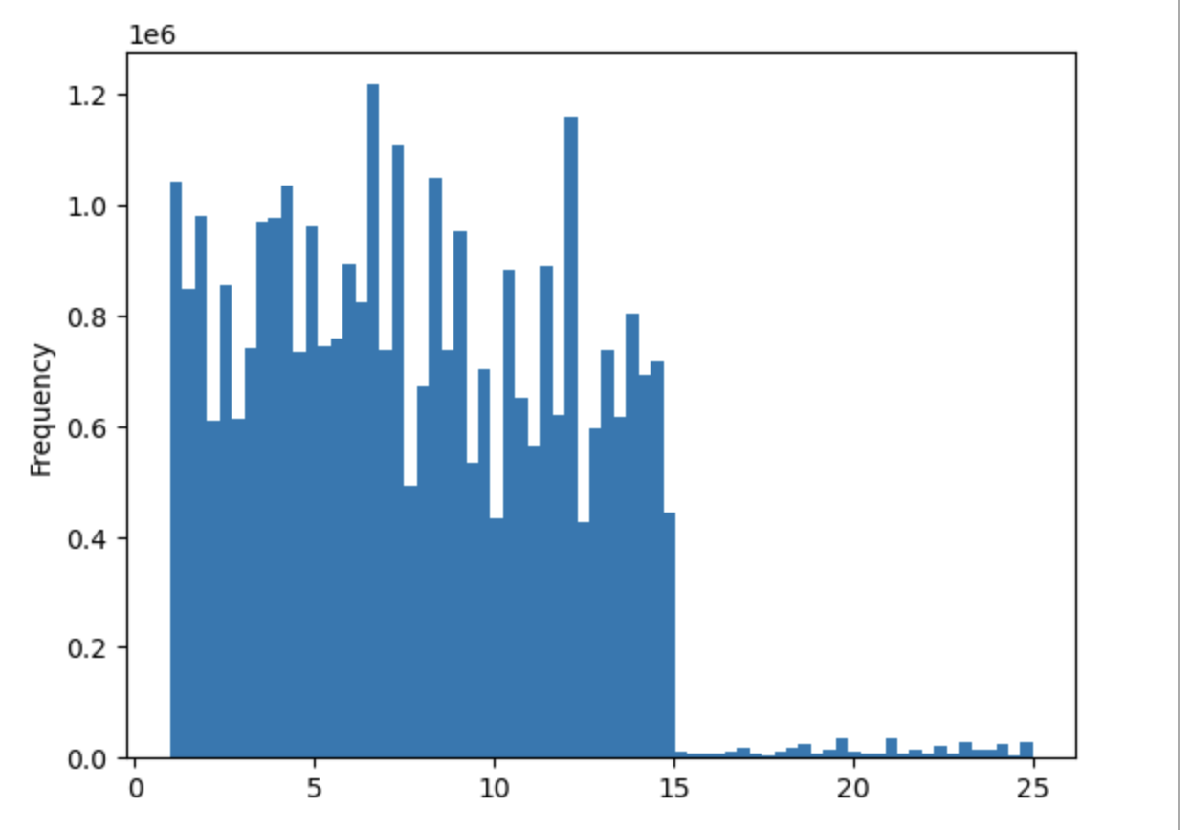
Prices of Purchased Items

Prices

Visualization 3A (Bar chart): Most items fall within $2 to $15 in price.

4. Are there certain types of products that are more popular than others? The marketing and sales teams want to know which departments have the highest frequency of product orders.

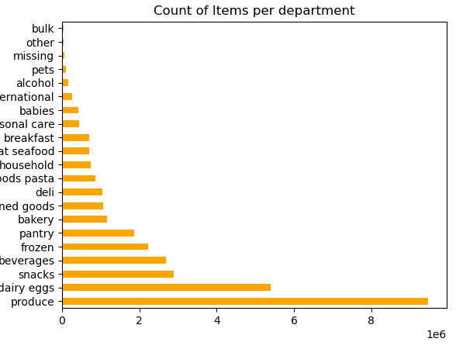

Visualization 4a (Bar chart): Produce and Dairy/eggs are bought the most. Bulk, other, and missing categories are items that don't fit a certain category but are bought the least.

5: The marketing and sales teams are particularly interested in the different types of customers in their system and how their ordering behaviors differ.

Loyalty

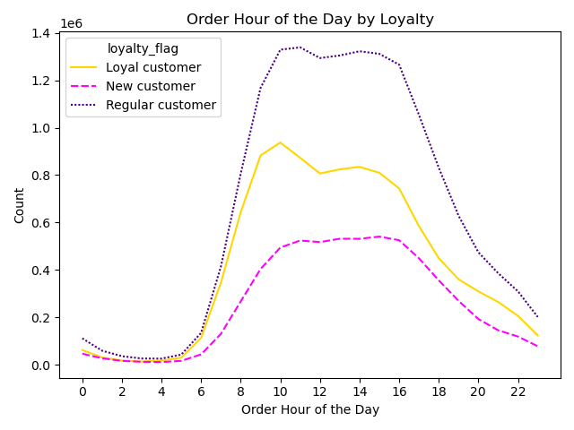
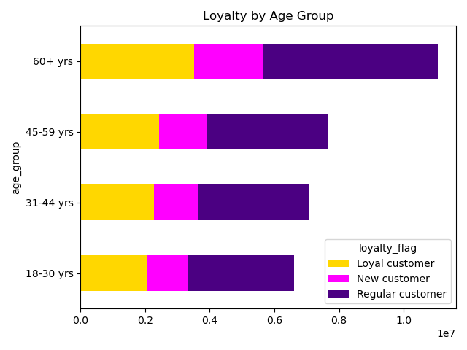
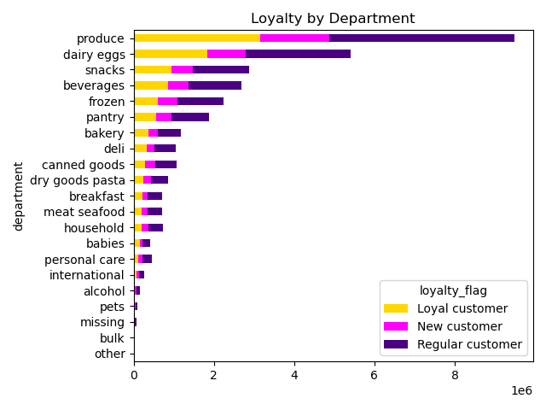

These three charts show the frequency of customers according to their loyalty. The far left shows when they're most active during the day, the middle shows the frequency according to each age group, and the right chart shows the product types bought by each type of customer.

Region

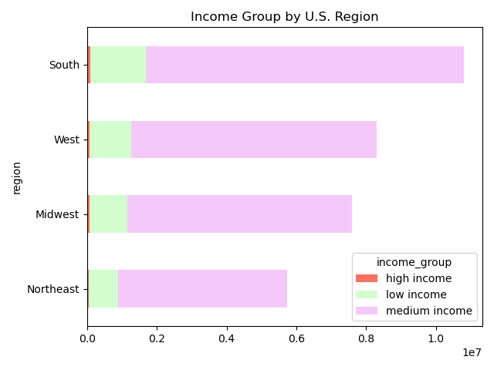
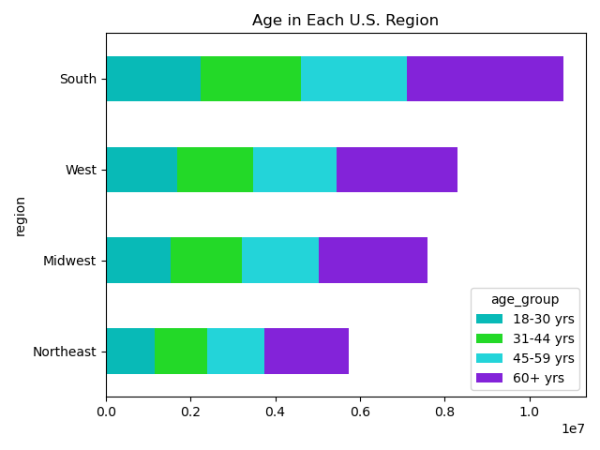
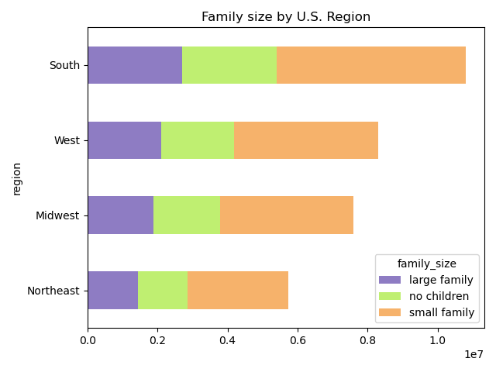

Regionally there is some difference between each region but it's not much depending on what is being compared. For example, the middle chart there are slightly more 60+ customers as opposed to the others, but the frequency for every other are nearly identical in amount.

Spending and income
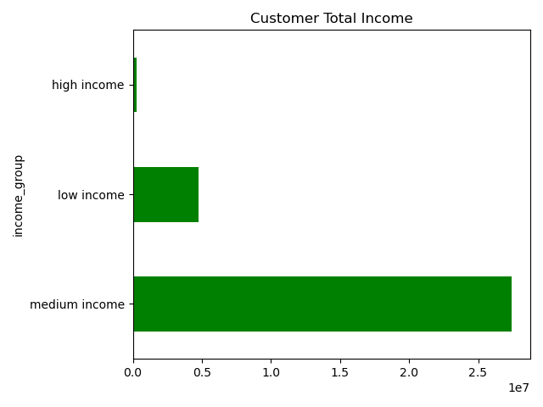
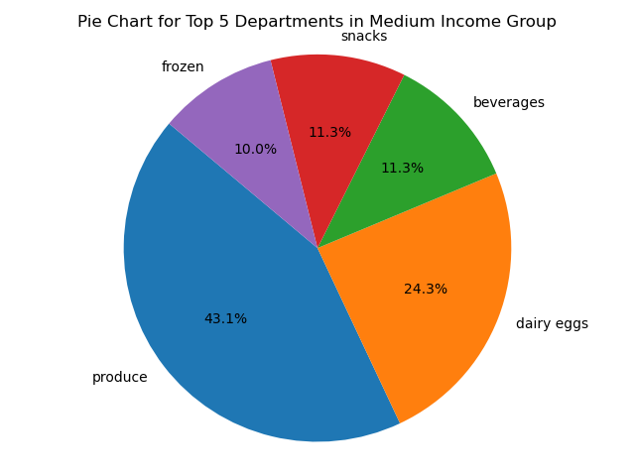
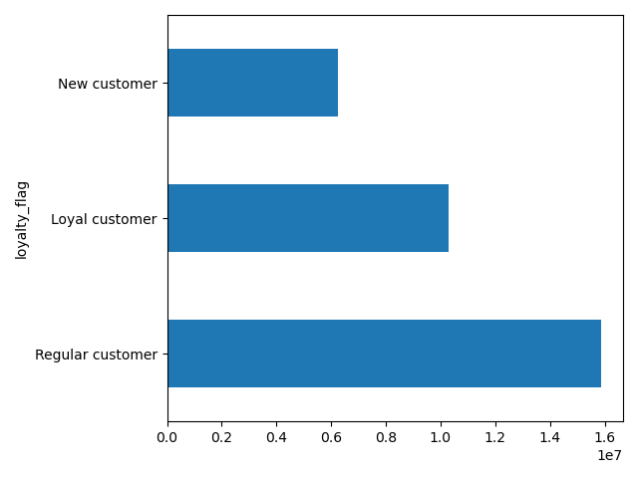

Most customers come from a medium-income household. With that we can see the products that they buy the most. Produce and dairy/eggs are what are bought the most from people in the medium-income group.

Ages and Family

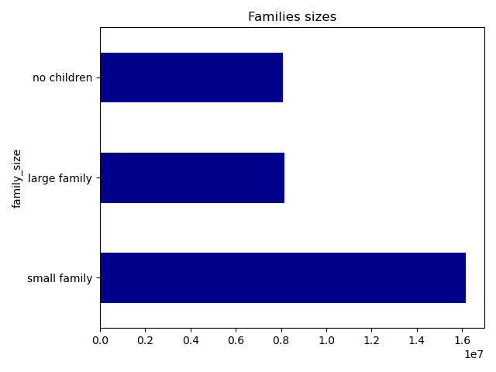
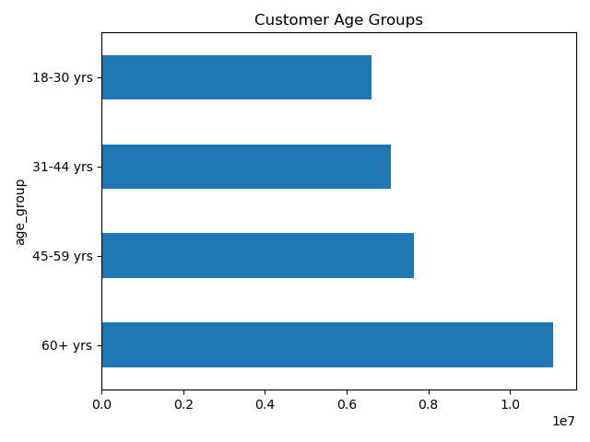
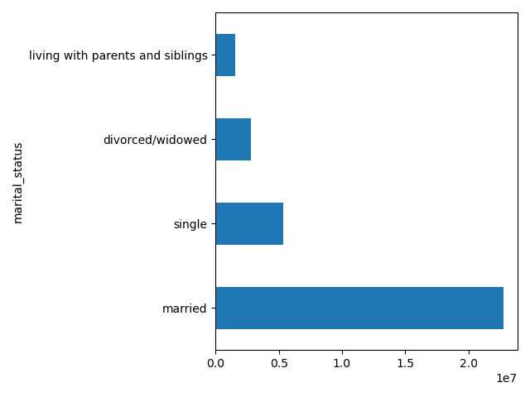

Most users are under 60 years old, married or have at least one dependent.

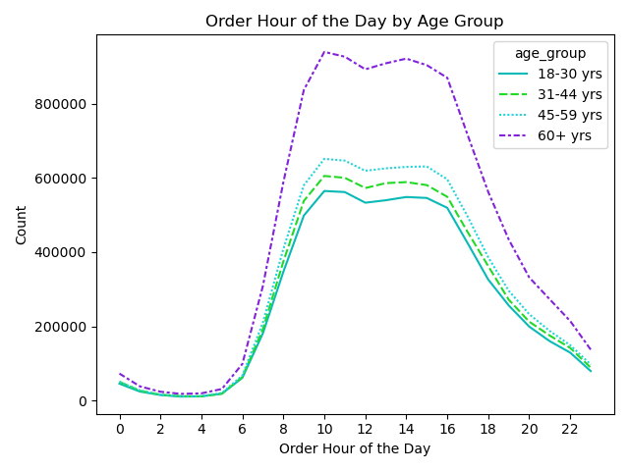

60+ users are also the most active between 8 a.m. and 5 p.m., following the trend previously analyzed. All four age groups are most active at 10 a.m. but by 5 p.m. the activity decreases. Most users are married, and nearly twice as many users have one or two children than those with no or three children.

7. Recommendations
 |  |  |  | Title page

Recommendations

In this tab you should include any recommendations you would made to Instcart in terms of their marketing strategy based on the questions posed in the brief. Every key question has been covered in the Tasks of the Exercises - here you need to add an item - a visualisation or table/crosstable that is showing the answer in the data, acompanied by a comment from you. Please, list the questions below and add the answer underneath.

 | Question |  | Recommendations
Key Question 1 |  | The peak hours are typically between 10 am and 4 pm, although the evening hours remain fairly active until 11 p.m. To optimize your advertising strategy, I suggest running promotions during these peak hours and implementing special incentives to drive traffic during non-peak times.
Key Question 2 |  | The most active days are undoubtedly Saturday and Sunday, closely followed by Friday. Consider designating a mid-week day for exclusive sales and promotions to stimulate activity; Tuesday or Wednesday is ideal, as they are the least active days. Combining this with the previous question of active hours would boost activity greatly.
Key Question 3 |  | Prioritize mid-range products as they tend to have a higher order frequency. Focus your marketing and sales efforts on these products by highlighting promotions, discounts, and special deals to attract a broader customer base. Also, taking a closer look at the drop-off in order frequency for high-range products and considering options like adjusting prices, offering promotions, or improving the perceived value of these products may rekindle interest and increase orders.
Key Question 4 |  | To boost sales, the marketing and sales teams should direct their attention towards the most sought-after product departments, specifically Produce, Dairy and Eggs, and Snacks and Beverages. These departments have consistently demonstrated the highest order frequency, underscoring strong customer preferences. To capitalize on this demand, it's advisable to ramp up marketing campaigns, prominently feature best-selling products, and introduce bundle deals within these high-frequency departments. Furthermore, a strategic approach involving seasonal promotions for Produce, enticing discounts for Dairy and Eggs, and an expanded range of snacks and beverage options can further elevate customer engagement and drive increased sales. It's essential to maintain a consistent practice of reviewing and optimizing inventory levels for these popular departments to ensure a seamless shopping experience and bolster customer satisfaction.
Key Question 5 and 6 |  | The Loyalty Flags indicate similar purchasing patterns across various regions and product departments. Consider implementing strategies to convert new customers into regular ones and then loyal ones. Implementing a rewards system or providing more discounts and promotions can be used to keep customers returning.
Key Question 7 |  | The South consistently exhibits the highest order frequency, regardless of customer loyalty, income levels, or spending patterns. Notably, all regions demonstrate similar order volumes among high spenders, with low spenders accounting for most orders across the board. The West ranks second, followed by the Midwest in third place, while the Northeast records the lowest order counts across all the measured criteria. For the best results, think about customizing your marketing and product offerings to match the preferences of each region. In the South, concentrate on promoting products and deals that are popular with the local customers. You might also want to consider introducing special offers or products tailored specifically for this region. In the West and Midwest, play to their individual strengths—emphasize variety and innovation in the West and prioritize reliability and consistency in the Midwest. Even though the Northeast has fewer orders, explore targeted strategies like regional promotions or partnerships to boost customer engagement. Additionally, make sure that your high-end products are consistently attractive across all regions.
Key Question 8 |  | Married customers tend to place the most orders, while those living with their parents tend to order the least, often because someone else handles the ordering. To reach single and divorced/widowed customers, we can create ads that highlight how easy our products or services are to use, which may attract more customers from these groups. We can apply the same approach to customers with children or dependents. Most of our customers fall into the medium-income category. It's fine to focus on this group, but we should also consider paying more attention to the low-income segment. Although there are fewer low-income customers, together, they make up about 99% of our user base. Offering promotions tailored to lower-income customers could encourage more of them to join. Since many users are likely buying for their families, implementing features or promotions to cater to this demographic could benefit our users.

